DASHBOARD
AMAZON INDIA DASHBOARD

 | TOTAL SALES |  | TOTAL PROFIT |  | TOTAL ORDERS

 | ₹155,789,894 |  | ₹33,167,008 |  | 10,000

 | TOTAL UNITS SOLD |  | AVERAGE ORDER VALUE |  | PROFIT MARGIN

 | 24,926 |  | ₹15,578.99 |  | 21.29%

 |  | RETURN RATE |  | CANCELLATION RATE

 |  | 4.85% |  | 5.00%

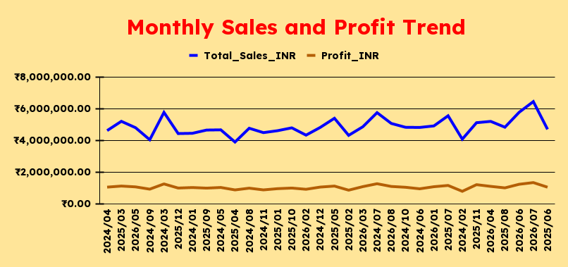
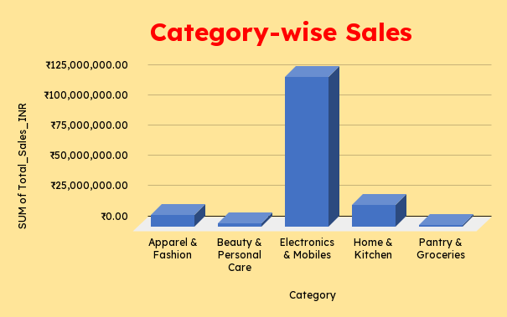

Order Status Mix
Top 10 Product by Sales

Sales by Payment Method
Category Returns & Cancellations

Sales by Fulfillment Method
State-wise Sales

CALCULATIONS
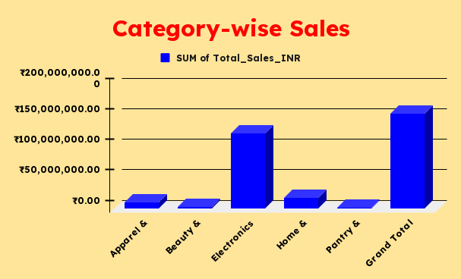
MONTHLY SALES & PROFITS
Month | Sales | Profit
2024-01 | 4441265.57 | 1016530.29
2024-02 | 4071073.66 | 778165.74
2024-03 | 5761054.84 | 1243584.05
2024-04 | 4612546.48 | 1041978.73
2024-05 | 4660178.05 | 1020331.21
2024-06 | 4810938.17 | 937123.34
2024-07 | 5744760.13 | 1256434.89
2024-08 | 4760372.35 | 976600.73
2024-09 | 4033814.56 | 914060.89
2024-10 | 4820971.84 | 1033414.57
2024-11 | 4483427.16 | 867487.8
2024-12 | 4812417.32 | 1045396.92
2025-01 | 4606206.73 | 945448.74
2025-02 | 4311299.81 | 849842.38
2025-03 | 5197449.69 | 1109671.45
2025-04 | 3889801.47 | 866003.41
2025-05 | 5390320.66 | 1108438.96
2025-06 | 4691064.39 | 1037380.01
2025-07 | 5548031.92 | 1147269.68
2025-08 | 4825647.41 | 995098.14
2025-09 | 4645851.23 | 978708.78
2025-10 | 4786859.11 | 983414.48
2025-11 | 5110161.44 | 1197245.96
2025-12 | 4424179.17 | 983901.42
2026-01 | 4907181.04 | 1068832.87
2026-02 | 4324986.58 | 906184.52
2026-03 | 4854721.92 | 1074182.43
2026-04 | 5193546.45 | 1089945.17
2026-05 | 4795167.11 | 1057988.22
2026-06 | 5767141.03 | 1222177.09
2026-07 | 6443679 | 1329442.03
2026-08 | 5063777.6 | 1084723.59

CATEGORY PERFORMANCE
Category | Sales | Profits | Units
Electronics & Mobiles | 123569507.07 | 26310257.24 | 7579
Home & Kitchen | 17973218.93 | 3837268.36 | 4684
Apparel & Fashion | 9831025.09 | 2085354 | 6452
Beauty & Personal Care | 2889178.5 | 604390.41 | 3734
Pantry & Groceries | 1526964.3 | 329738.48 | 2477

Top 10 Product by Sales
Product | Sales
Laptop Backpack | 26529187.41
Power Bank 20000mAh | 25548449.07
5G Smartphone | 24330766.23
Wireless Earbuds | 23848640.89
Smartwatch | 23312463.47
Stainless Steel Dinner Set | 3865114.25
Cotton Bedsheet Double | 3789133.82
Water Purifier | 3785924.8
Induction Cooktop | 3510999.56
Mixer Grinder 750W | 3022046.5

Order Status
Order status | Orders
Delivered | 8147
Shipped | 868
Returned | 485
Cancelled | 500

Category Returns & Cancellations
Category | Cancelled | Returned | Total
Apparel & Fashion | 148 | 110 | 258
Beauty & Personal Care | 84 | 75 | 159
Electronics & Mobiles | 136 | 164 | 300
Home & Kitchen | 91 | 90 | 181
Pantry & Groceries | 41 | 46 | 87

Payment Perfomance
Payment Method | Sales | Profit
UPI | 78515436.26 | 16653494.14
Credit/Debit Card | 31069230.9 | 6525646.17
Cash on Delivery (COD) | 23101583.64 | 5008107.37
Net Banking | 15419486.46 | 3292296.82
Amazon Pay Later | 7684156.63 | 1687463.99

Fulfillment Performance
Fulfillment | Sales | Profit
Amazon (FBA) | 107528288.07 | 22882414.52
Seller Flex | 31198391.98 | 6815054.52
Merchant (FBM) | 17063213.84 | 3469539.45

State Performance
Ship States | Sales | Profit | Orders
Maharashtra | 29554237.21 | 6301731.56 | 1840
Karnataka | 24415704.16 | 5273235.35 | 1515
Delhi | 22361687.04 | 4699095.38 | 1444
Tamil Nadu | 17889855.25 | 3856864.11 | 1109
Uttar Pradesh | 14140675.36 | 2978266.81 | 991
Telangana | 13961458.53 | 2944127.16 | 906
West Bengal | 10864550.51 | 2344788.08 | 665
Gujarat | 9369304.18 | 2008021.8 | 591
Rajasthan | 6620697.25 | 1383028.68 | 456
Kerala | 6611724.4 | 1377849.56 | 483

